Bug reports Spartoo
Bug Reports "Spartoo"

Bug ID: | S-1
Bug Name: | The satisfaction survey is not displayed when clicked the Get Started button.
App Name: | Spartoo
Severity: | Major
Priority: | Hight
Reported By: | Margarita Giron
Reported On: | 03/13/2019
Environment: | Android 7.0
Description: | The satisfaction survey is not displayed when clicked the Get Started button, hence unable to answer the survey.
Steps to Reproduce: | 1. Open the application 2. Navigate to the botton of the app 3. Click on "Get started" button 4. Shows an error page "HTTP_FORBIDDEN"
Expexted Result: | On clicking "Get started" button, should be displayed a web page in order to answering the satisfaction survey.
Actual Result: | Error page "HTTP_FORBIDDEN"
Screenshot: | 
Workarounds: | Display the satisfaction survey.

Bug ID: | S-2
Bug Name: | An invalid date can be entered
App Name: | Spartoo
Severity: | Hight
Priority: | Hight
Reported By: | Margarita Giron
Reported On: | 03/13/2019
Environment: | Android 7.0
Description: | If you enter a date wich is not valid an error message is not displayed.
Steps to Reproduce: | 1. Open the application 2. Navigate to the Users Menu > Give the gift of fashion 3. Filled all the "gift information" fields 4. Enter an invalid date 5. Click on "Add to card" button
Expexted Result: | If and invalid date is entered an error message should be displayed.
Actual Result: | The detail of the shopping bag is displayed.
Screenshot: | 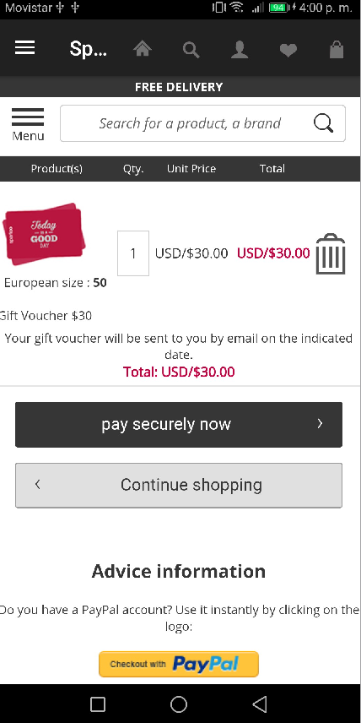

Workarounds: | Validate if the date is correct.

Bug ID: | S-3
Bug Name: | The Return button does not work
App Name: | Spartoo
Severity: | Medium
Priority: | Low
Reported By: | Margarita Giron
Reported On: | 03/13/2019
Environment: | Android 7.0
Description: | When you are on the shopping bag, click on the gif image, it shows an error message and when you click on "Return" button does not work.
Steps to Reproduce: | 1. Open the application 2. Click on the shopping bag 3. Click on the gif image 4. Click on the "Return" button
Expexted Result: | Go back to the shopping bag
Actual Result: | The Return button does not work
Screenshots: | 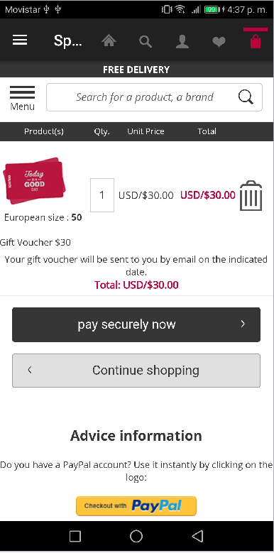 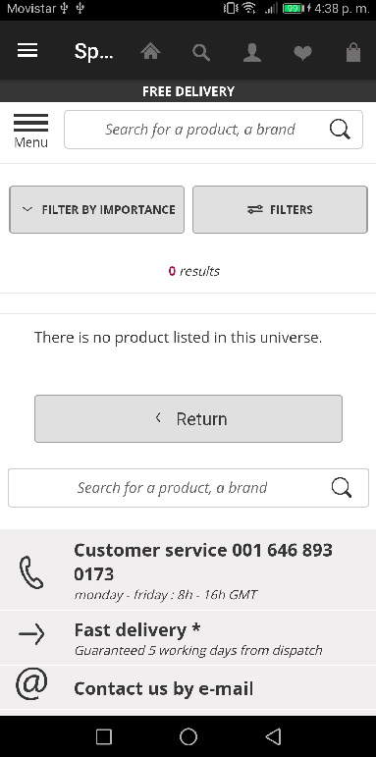

Workarounds: | N/A

Bug reports Alarm Clock
Bug Reports "Alarm Clock Xtreme Free +Timer"

Bug ID: | AC-1
Bug Name: | The "Share" button does not work
App Name: | Alarm Clock Xtreme Free +Timer
Severity: | Major
Priority: | Hight
Reported By: | Margarita Giron
Reported On: | 03/14/2019
Environment: | Android 7.0
Description: | When you stop the timer and want to share results the "Share" button does not work.
Steps to Reproduce: | 1. Open the application 2. Start the timer 3. Stop the timer 4. Share results
Expexted Result: | Share results
Actual Result: | The "Share" button does not work
Screenshot: | 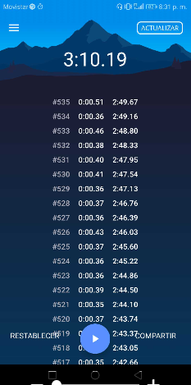
Workarounds: | N/A

Bug ID: | AC-2
Bug Name: | The items do not displayed correctly to the screen.
App Name: | Alarm Clock Xtreme Free +Timer
Severity: | Low
Priority: | Low
Reported By: | Margarita Giron
Reported On: | 03/14/2019
Environment: | Android 7.0
Description: | The items do not displayed correctly to the screen.
Steps to Reproduce: | 1. Open the application 2. Navigate to the Menu > Configuration > Notifications
Expexted Result: | Show items correctly
Actual Result: | The items do not conform correctly to the screen.
Screenshot: | 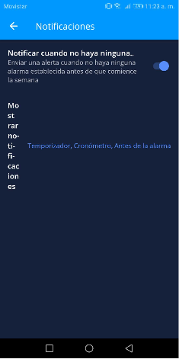
Workarounds: | Validate the position of the items inside the layout.

Bug ID: | AC-3
Bug Name: | Items are displayed overheads
App Name: | Alarm Clock Xtreme Free +Timer
Severity: | Medium
Priority: | Medium
Reported By: | Margarita Giron
Reported On: | 03/14/2019
Environment: | Android 7.0
Description: | To click several times on the "VUELTA" button, the items are displayed overheads.
Steps to Reproduce: | 1. Open the application 2. Navigate to Menu > Timer 3. Start timer 4. Click several times on the "VULETA" button
Expexted Result: | Items displayed correctly
Actual Result: | Items are displayed overheads
Screenshot: | 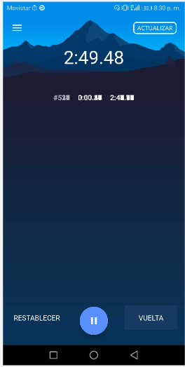
Workarounds: | N/A

